Manual
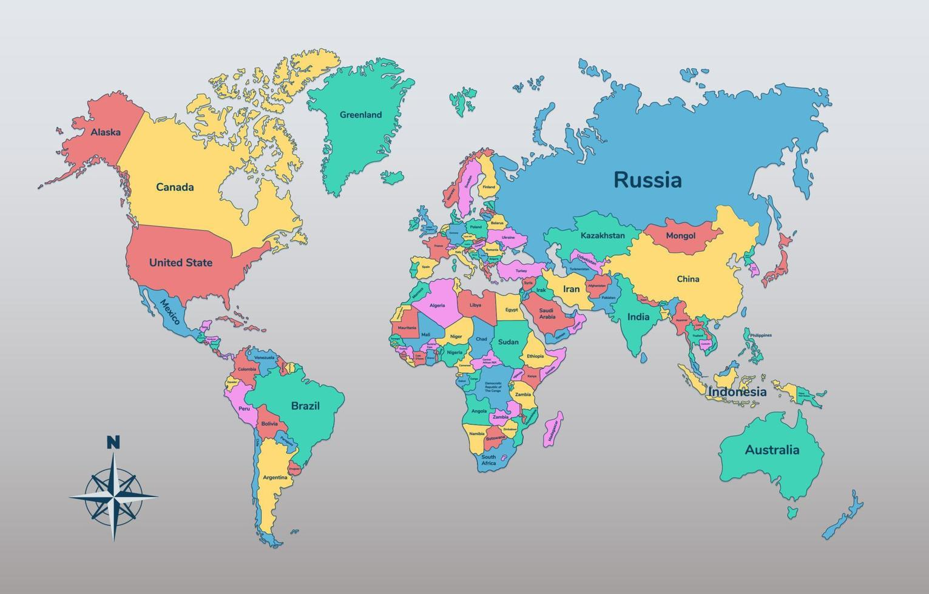
Germany
$8450
Canada
$6800
Russia
$9540
Region | Sales
Australia | $3,200.00
USA | $5,950.00
USA
$5950
Canada | $6,800.00
China
$7500
Russia | $9,540.00
China | $7,500.00
Germany | $8,450.00
Australia
$3200

