INDEX-MATCH
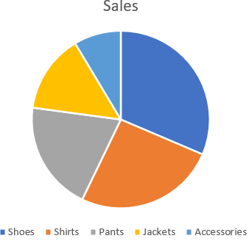
Employee | Department | Sales | Target | Employee List | Sales
Alice | North | $12,500.00 | $15,000.00 | Alice | $12,500.00
Bob | South | $3,800.00 | $4,500.00 | Frank | $2,300.00
Carol | East | $14,200.00 | $13,000.00 | Bob | $3,800.00
David | North | $2,950.00 | $3,500.00 | Ivy | $6,700.00
Eva | South | $7,600.00 | $8,000.00
Frank | East | $2,300.00 | $2,500.00
Grace | North | $9,800.00 | $11,000.00
Henry | South | $4,100.00 | $4,500.00
Ivy | East | $6,700.00 | $7,000.00
Jack | North | $3,200.00 | $3,500.00

