Format As Picture
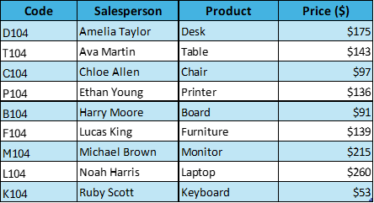
Code | Salesperson | Product | Price ($)
D104 | Amelia Taylor | Desk | $175
T104 | Ava Martin | Table | $143
C104 | Chloe Allen | Chair | $97
P104 | Ethan Young | Printer | $136
B104 | Harry Moore | Board | $91
F104 | Lucas King | Furniture | $139
M104 | Michael Brown | Monitor | $215
L104 | Noah Harris | Laptop | $260
K104 | Ruby Scott | Keyboard | $53

